Solutions
Q1.1) State the Null and Alternate Hypothesis for conducting one-way ANOVA for both the variables ‘A’ and ‘B’ individually. [both statement and statistical form like Ho=mu, Ha>mu]
Answer-
Hypothesis of the One-way ANOVA of Relief' variable with the ingredient 'A' variable
𝐻H0 : The means of 'Relief' variable with respect to each amount of ingredient A is equal
𝐻H1 : At least one of the means of 'Relief' variable with respect to each amount of ingredient A is unequal.

Hypothesis of the One-way ANOVA of Relief' variable with the ingredient 'B' variable
𝐻H0 : The means of 'Relief' variable with respect to each amount of ingredient B is equal
𝐻H1 : At least one of the means of 'Relief' variable with respect to each amount of ingredient B is unequal.

Q1.2) Perform one-way ANOVA for variable ‘A’ with respect to the variable ‘Relief’. State whether the Null Hypothesis is accepted or rejected based on the ANOVA results.

Calculation in PYTHON - Please refer to the Python File, the below given calculation has been imported from the Python File | Calculation in Excel
df sum_sq mean_sq F PR(>F) | Source of Variation | SS | df | MS | F | P-value | F crit
C(A) 2.0 220.02 110.010000 23.465387 4.578242e-07 | Between Groups | 483.605 | 1 | 483.605 | 84.900433878 | 1.0719099283E-13 | 3.9777793928
Residual 33.0 154.71 4.688182 NaN NaN | Within Groups | 398.73 | 70 | 5.6961428571
p-value is smaller than chosen alpha level α = 0.05, so null hypothesis can be rejected
While calucating in Ecxel we find a different P value than python, though that value is also smaller than alpha level=0.05, null hypothesis is rejected | Total | 882.335 | 71

Q1.3) Perform one-way ANOVA for variable ‘B’ with respect to the variable ‘Relief’. State whether the Null Hypothesis is accepted or rejected based on the ANOVA results. | ANOVA
Calculation in PYTHON - Please refer to the Python File, the below given calculation has been imported from the Python File | Calculation in Excel
df sum_sq mean_sq F PR(>F) | Source of Variation | SS | df | MS | F | P-value | F crit
C(B) 2.0 123.66 61.830000 8.126777 0.00135 | Between Groups | 483.605 | 1 | 483.605 | 84.900433878 | 1.0719099283E-13 | 3.9777793928
Residual 33.0 251.07 7.608182 NaN NaN | Within Groups | 398.73 | 70 | 5.6961428571
p-value is greater than chosen alpha level α = 0.05, so null hypothesis can not be rejected
While calucating in Ecxel we find a different P value than python, though that value is also smaller than alpha level=0.05, null hypothesis is rejected | Total | 882.335 | 71
Here we get different solutions in python and excel

Q1.4) Analyse the effects of one variable on another with the help of an interaction plot. What is the interaction between the two treatments?
NOTE: These graphs are imported from the Python file. Please refer to the Python notebook for the codes.

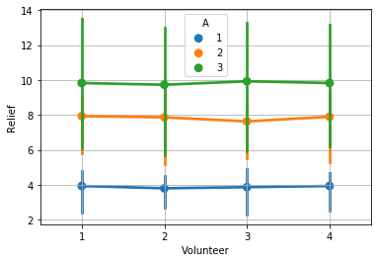
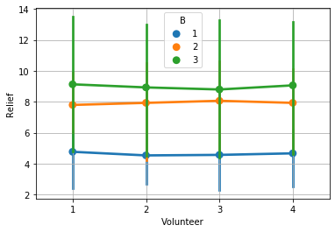

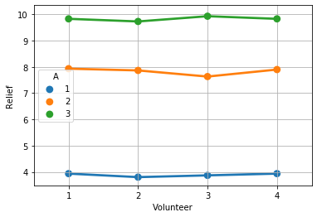
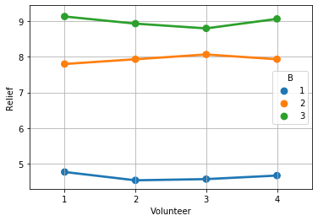

The the second amount variation for both ingradients A and B have very strong interation with third variation.
In case of Ingradient A and Volunteer 2, the highest interation for 2nd and 3rd amount variation can be observed while amount 1 has no interation from other amount varation. The relief is also the lowest from amount 1.
We can observe the strong evidence of interation between the variation 2 and 3. For volunteer 3 the interation is strongest and the difference in terms of relief is less than one. While looking into amount 1 of ingredient B the interation is weekest.

Q1.5) Perform a two-way ANOVA based on the different ingredients (variable ‘A’ & ‘B’ along with their interaction 'A*B') with the variable 'Relief' and state your results.
𝐻H0 : The means of 'Relief' variable with respect to each ingredient category and their interation is equal.
𝐻H1 : At least one of the means of 'Relief' variable with respect to each ingredient category and their interation is unequal.

Calculation in PYTHON | Calculation in Excel
df sum_sq mean_sq F PR(>F) | Source of Variation | SS | df | MS | F | P-value | F crit
C(A) 2.0 220.020 110.010000 1827.858462 1.514043e-29 | Sample | 167.16833333 | 8 | 20.896041667 | 36.301970509 | 1.0217319674E-23 | 2.0548816238
C(B) 2.0 123.660 61.830000 1027.329231 3.348751e-26 | Columns | 588.60666667 | 2 | 294.30333333 | 511.28300268 | 1.1489775779E-46 | 3.1093105475
C(A):C(B) 4.0 29.425 7.356250 122.226923 6.972083e-17 | Interaction | 229.93666667 | 16 | 14.371041667 | 24.966313673 | 9.402464713E-25 | 1.7699526433
Residual 27.0 1.625 0.060185 NaN NaN | Within | 46.625 | 81 | 0.57561728395

After performing two way Anova on different varible (A and B) along with the interation of variables with Relief variable, it is found that there is no significance value as all values of P in each case is greater than value of alpha α=0.05 | Total | 1032.3366667 | 107
While calculating in Excel the result is same in nature as python though P value had different values.

Q1.6) Mention the business implications of performing ANOVA for this particular case study.

Quality and Cost Comparison: In the graph it can be seen that the amount three of both ingredients A and B is most effective for relief in fever. The best quality of medicine can be made while using the third amount and it can be sold at premium cost. In case of severe case offever this dose can be implemeted.
It can also bee seen that for both ingredients A and B for amount 1 (marked in Blue in graph) is not much effective in term of relief from fever.
The different combination can be compaired for the medicine for the ingredients A and B

Production Optimization: The different combination of Ingredients can be used as per the requirement of treatment, effectivity, and also market requirements. The A/B test can be performed for the better oucomes from the medicine.
For different types of patients the different or specific doeses could be produced on the basis of predictive analysis.

